Notes
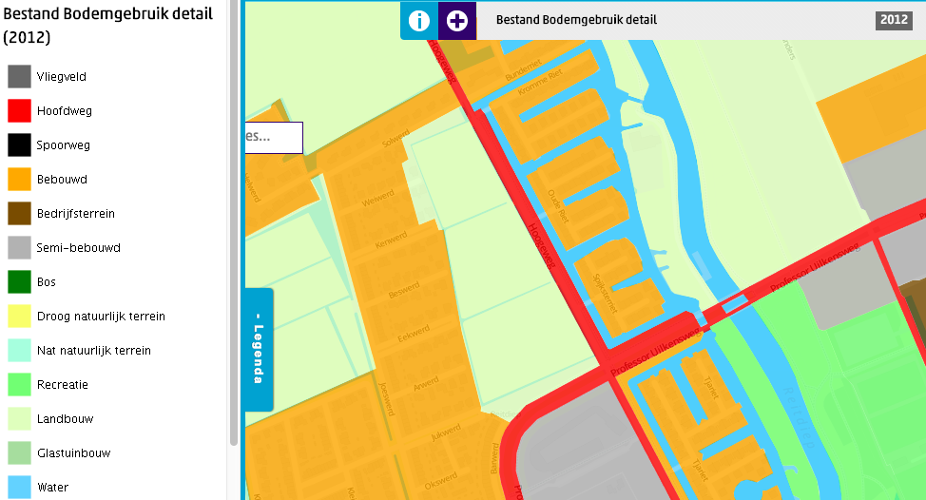
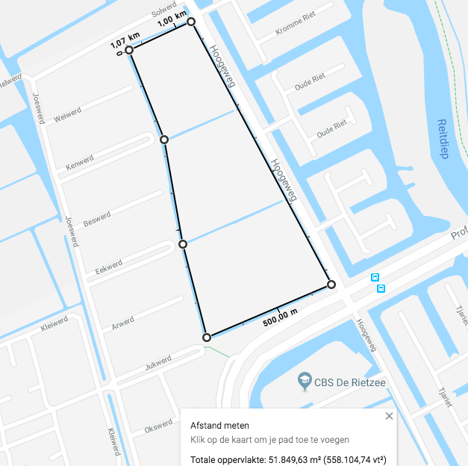
 | unit |  | Source
m2 per ha | m2 | 10000
Total arable land |  | area | CBS | CBS, oppervlakte cultuurgrond (1 km2 = 10.000 are). Schatting op basis van http://www.cbsinuwbuurt.nl/#bodemgebruik2012 & google maps:
Total arable land | m2 | 51849.63 | maps | https://www.google.nl/maps/place/Groningen/@53.242852,6.5168889,16.52z/data=!4m5!3m4!1s0x47c83286b462cca7:0xcb4b5086f9a6c8dc!8m2!3d53.2193835!4d6.5665017
Dasboard value | ha | 5.184963

